Login
Test Cases for Login of Zomato
Test Case id | Test Cases | Priority | Preconditions | Input Test Data | Steps to be executed | Expected Results | Actual Results
1 | Test if user is able to login successfully (using Phone number). | A | User must be registered already | correct phonenumber,correct recceived OTP | 1)Enter input(correct phonenumber and OTP) on the respective fields 2)click submit/login | User must successfully login to the web page | User was able to login
2 | Test if unregistered users is not able to login to the site | A | – | incorrect phonenumber,incorrect OTP | 1)Enter input(incorrect phonenumber and OTP) on the respective fields 2)click submit/login | Proper error must be displayed and prompt to enter login again | Proper Error was displayed
3 | Test with valid phonenumber and empty OTP such that login must get failed | B | User must be registered already | valid phonenumber and empty OTP | 1)enter the valid phonenumber in the phonenumber field and leave empty in the OTP field | Proper error must be displayed and prompt to enter login again | Proper Error was displayed
4 | Test with empty phonenumber and empty OTP and check if login fails | A | – | – | 1)Enter nothing in the Phone number and OTP field 2)click submit button | Proper error must be displayed and prompt to enter login again | Proper Error was displayed
5 | Test to check if the only numbers are allowed for phonenumber and OTP field | B | – | valid OTP | 1) Enter the phonenumber and OTP field with only numbers | The phonenumber and OTP field should be only numbers no characters must be allowed | Only numbers were allowed for phonenumber and OTP field
6 | Test For logging in try to copy/paste the OTP and paste it/from on another screen | B | OTP must be received on registered phonenumber | Registered phonenumber and received OTP | 1)Enter phonenumber and OTP in the respective fields. 2)Copy the OTP field’s content copy/paste the content on another screen | OTP shouldn’t get pasted / OTP should not be visible on the screen | OTP was able to copy/paste. OTP was visible
7 | Test to check if OTP not received it must be resend | B | User must enter already register phonenumber | Registered phonenumber | 1)Enter phonenumber in th reqiured field and click on "Send One Time Password" button 2) Then click on "Resend Now" button | If OTP is not received yet. After clicking "Resend Now" new OTP must be received | After clicking "Resend now" new OTP was received
8 | Test to verify account lock | B | – | Registered phonenumber and incorrect OTP | 1)Try to login with a registered phonenumber and incorrect OTP for multiple times | Account should be locked and access should be granted only after gettting certain assurance from the user | Account was lock for certain time period
9 | Automatic logout of the site when pressing backspace button | B | – | Registered phonenumber and OTP | 1) Login to the site using registered phonenumber and OTP 2)now press backspace | User must logout of the site properly | User was still logged in
10 | Test if user is able to login successfully (using Google Gmail). | A | User must be registered already | Registered Gmail ID and password | 1)Enter input(correct Gmail ID and password) on the respective fields 2)click submit/login | User must successfully login to the web page | User was able to login
11 | Test if user receives verification mail on their registered Gmail ID for every time he/she tries to log in | A | User must be registered already | Registered Gmail ID and password | 1)Enter input(correct Gmail ID and password) on the respective fields 2)Check Mail box of the register Gmail ID | Verification mail must be send to user every time user tries to log in | Verification mail was send only once when user register. No verification mail was send to the user each time he/she tries to log in
12 | Test if unregistered users is not able to login to the site | A | – | incorrect Gmail ID,incorrect password | 1)Enter input(incorrect Gmail ID and password) on the respective fields 2)click submit/login | Proper error must be displayed and prompt to enter login again | Proper Error was displayed
13 | Test with valid Gmail ID and empty password such that login must get failed | B | User must be registered already | valid Gmail ID and empty password | 1)enter the valid Gmail ID in the gmail id field and leave empty in the password field | Proper error must be displayed and prompt to enter login again | Proper Error was displayed
14 | Test with empty phonenumber and valid OTP such that login must get failed | B | – | empty Gmail ID and valid password | 1)leave the Gmail ID empty in the gmail id field and enter a valid user’s password in the password field | Proper error must be displayed and prompt to enter login again | Proper Error was displayed
15 | Test with invalid phonenumber and invalid OTP such that login must get failed | B | – | invalid Gmail ID and invalid password | 1)leave the Gmail ID empty in the gmail id field and password in the password field | Proper error must be displayed and prompt to enter login again | Proper Error was displayed
16 | Check of the password is masked on the screen i.e., password must be in bullets or asterisks | B | – | valid password | Enter the password field with some characters | The password field should display the characters in asterisks or bullets such that the password is not visible on the screen | Password was masked on the screen
17 | Check if the login function handles case sensitivity | B | registered user’s password which is originally in lower case changed to upper case or vice versa | case changed username /password | 1)Enter the case changed Gmail ID/password in the respective field and 2)click login button | Login must fail saying incorrect username/password | Proper Error was displayed
18 | Test For logging in try to copy/paste the password and paste it/from on another screen | B | User must be registered already | Registered user’s Gmail ID and password | 1)Enter Gmail ID and password in the respective fields. 2)Copy the password field’s content copy/paste the content on another screen | password shouldn’t get copied/pasted password should not be visible on the screen | password was able to copy/paste. password was not visible
19 | Verify account lock | B | – | Registered user’s Gmail ID and incorrect passsword | 1)Try to login with a registered Gmail ID and incorrect password for multiple times | Account should be locked and access should be granted only after gettting certain assurance from the user | Account was lock for certain time period
20 | Automatic logout of the site when pressing backspace button | B | – | Registered Gmail ID and password | 1) Login to the site using registered Gmail ID and password 2)now press backspace | User must logout of the site properly | User was still logged in

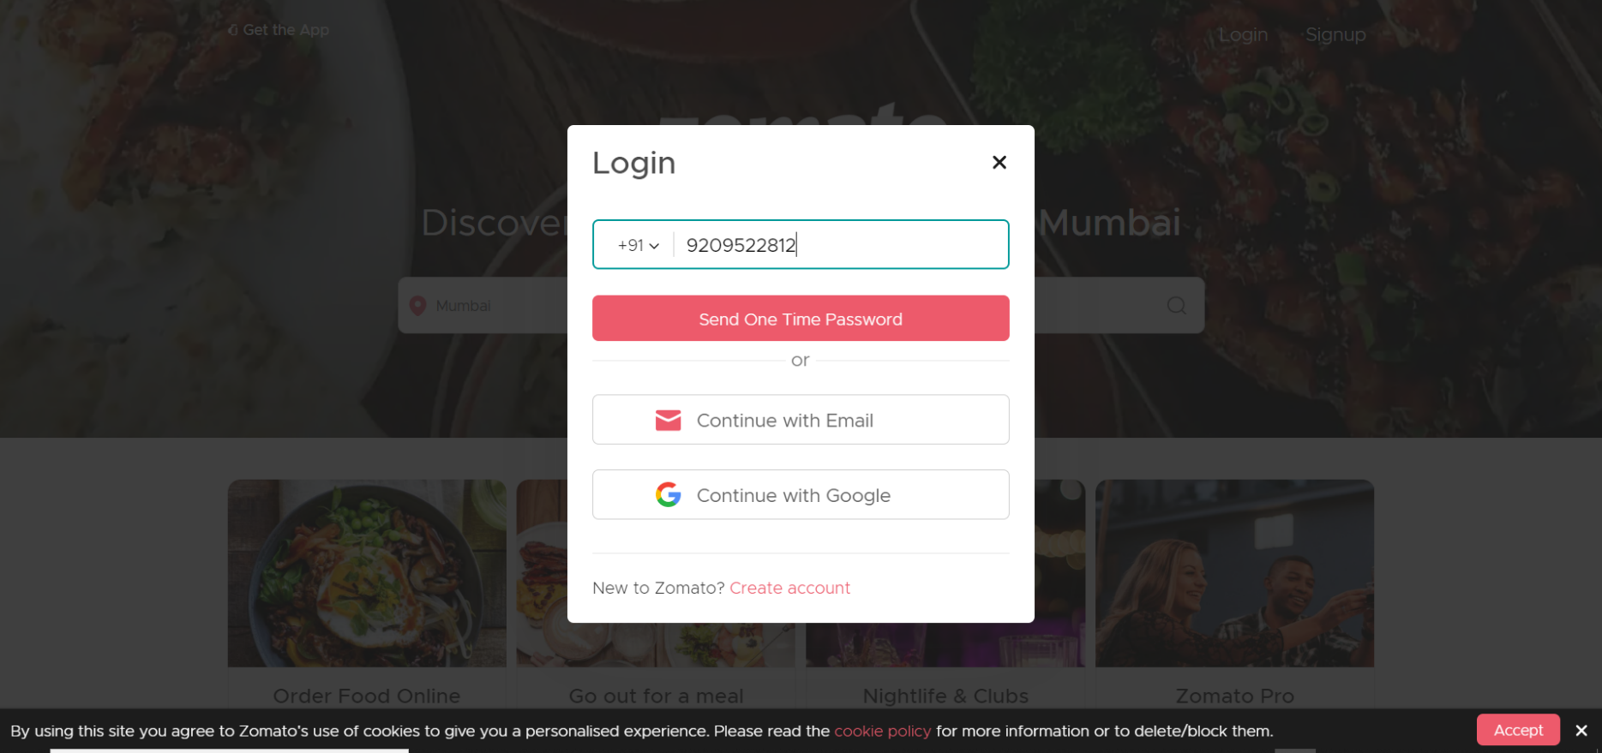

10 | Automatic logout of the site when
 | pressing backspace button | B | User must be registered already | Registered phonenumber and OTP | 1)Login to the site using | User must logout of the | User was still signed in
 |  |  |  |  | registered phonenumber and | site properly.
 |  |  |  |  | OTP
 |  |  |  |  | 2)Now press backspace

Order
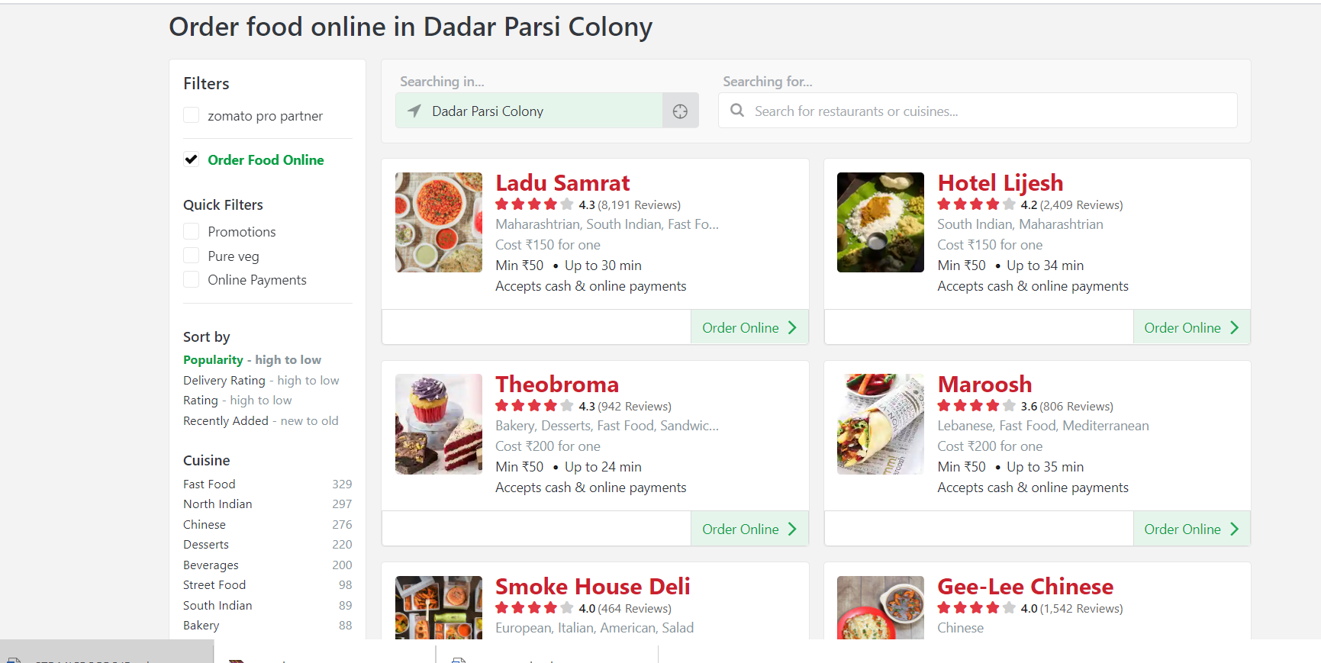
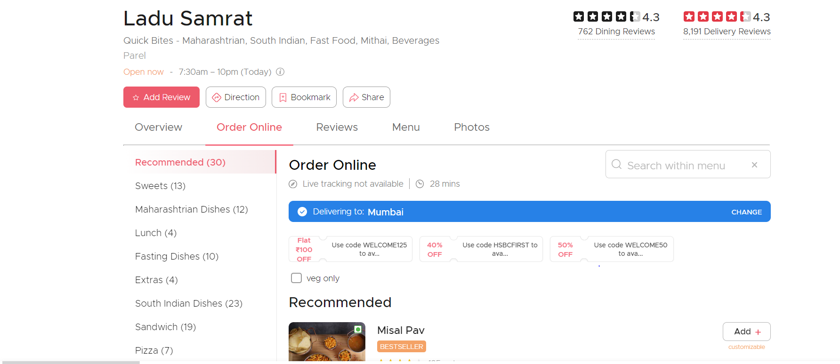
Test Cases for Online Payment of Zomato
Test Case id | Test Cases | Priority | Preconditions | Input Test Data | Steps to be executed | Expected Results | Actual Results
1 | Check if order is display in the proper category | A | – | – | 1)Select "order food online" from home page menu. 2)click on button | All orders must be display in proper categories | Orders were displayed in proper categories
2 | Check if order details are properly displayed | B | – | – | 1)Click on the order to see details | Order must be displayed with its name , reviews,picture and price(including discounts) | Order were displayed with its name , reviews,picture and price(including discounts)
3 | Check if order delivery is available for every user | A | User must be logged in already | valid location | 1)User must logged in with valid details 2)User must select his/her location | Each and every user must get order | Every user can't order each and every order
4 | Check both COD(cash on delivery) and online payment are available for every order | B | User must be logged in already and must select valid order to order | vaild payment details | 1)Particular Order must be selected in order to order 2)click "order now" button | COD(cash on delivery) and online payment must be available for every order | Only few orders haveCOD(cash on delivery) and online payment both available
5 | Check if user must be verified | B | User must be logged in already and must be verified | – | User must verify his/her account via phonenumber or mail | User must be verified to order | Only verfied users can order
6 | Check if particular hotel name is displayed in front of order | B | – | – | 1)Click on the order to see details | Hotel name must be displayed | Hotel name was displayed
7 | Test if user details must be fill vaild | B | User must be logged in already | valid name , valid address , valid loaction | 1)Enter valid name,address and location in their respective fields. 2)click submit to proceed futher | Further process must be displayed to the user | Further Process was display
8 | Check if user must view and give reviews on taste and delivery basis | A | User must be logged in already and must select valid order to order |  | 1)Select order which you want to review 2)click review now | user must view and give reviews on taste and delivery basis | Two review section were display (both for taste and delivery)
9 | Check if user enters valid Coupan code proper discount must be given | B | User must be logged in already and must select valid order to order | valid coupan code | 1)Select order which you want to apply code 2)click apply code | Valid discount must be applied | Valid discount was applied
10 | Check if user gets proper recommendations | A | User must be logged in already and must select valid order to order |  | 1)Select order which you want to order | valid recommendations must be shown | valid recommendations were shown
11 | Check if user can add multiple items(from different categories) with multiple quantity at same time | B | User must be logged in already and must select valid order to order | vaild order,valid quantity | 1)Select order with quantity to order | user must add multiple items(from different categories) with multiple quantity at same time | user was able to add multiple items(from different categories) with multiple quantity at same time
12 | Check if user can check the availability of the order | B | User must be logged in already and must select valid order to order | vaild order | 1)Select order to order 2)click check availability | Order must be available | Not every order are available
13 | Test if user must trace the loaction of their order | B | User must be logged in already and must select valid order to order | – | 1)Select order to order.Click on directions to see location of order | Order must be traced accurately | Order was trace but not accurate
14 | Check if user gets redirect to payment page after clicking Order now | B | User must be logged in already and must select valid order to order | – | 1)Select order to order.Click on Order now to proceed further | User must be proceed to further payment process | User was proceed to further payment process
15 | Test if appropriate order with appropriate grand total(including order price, taxes and charges) and quantity are display | A | User must select order form menu | valid order, valid quantity | 1)Select appropriate order and its quantity 2)Move towards further payment process | Appropirate order with its grand total(including order price, taxes and charges)and quantity must be displayed | Appropirate order with its grand total(including order price, taxes and charges)and quantity was displayed
16 | Test if invalid order with invalid grand total(including inappropriate order price, taxes and charges) and quantity are display which are not actually selected by the user | B | User must select order form menu | valid order, valid quantity | 1)Select appropriate order and its quantity 2)Move towards further payment process | Invalid order with its invalid grand total(including inavlid order price, taxes and charges)and quantity must be displayed which are not actually selected by the user | Appropirate order with its grand total(including taxes order price, and charges)and quantity was displayed which are actually selected by the user

Online Payment
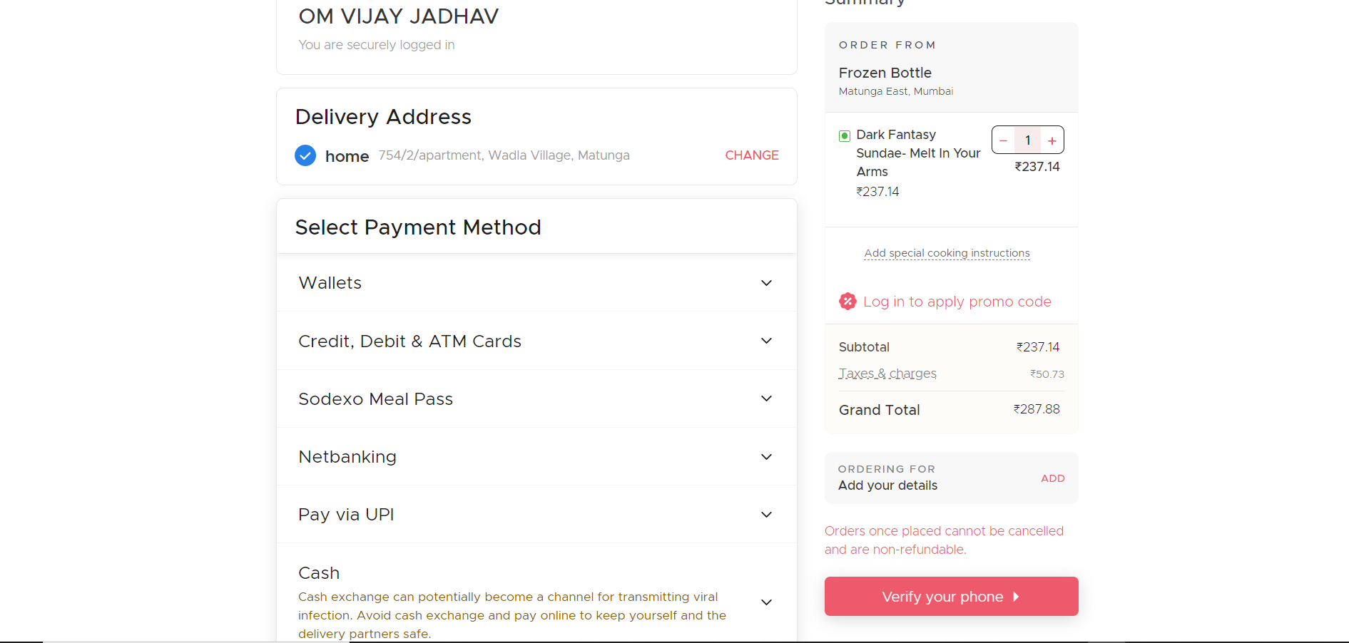
Test Cases for Online Payment of Zomato
Test Case id | Test Cases | Priority | Preconditions | Input Test Data | Steps to be executed | Expected Results | Actual Results
1 | Test if multiple payment methods are available | A | User must be logged in already | – | 1)Particular Order must be selected in order to order 2)click "order now" button | User must be display multiple payment options | Multiple payment options were available
2 | Test if multiple options for Wallet (payment methods) are available | B | User must be logged in already | – | 1)Click on the "Wallet" button to see multiple options | User must be display multiple options for Wallet (payment options) | Multiple options for wallet (payment method) were available
3 | Check if user enters valid email id (linked with wallet) along with valid phone number (linked with wallet) | B | User must be logged in already and must select valid order to order | valid email id ,valid phonenumber | 1)Enter valid email id and phonenumber in their respective fields 2)click "continue" to proceed further | User must be proceed to further payment process | User was proceed to further payment process
4 | Check if user enters invalid email id (linked with wallet) along with invalid phone number (linked with wallet) | B | User must be logged in already and must select valid order to order | invalid email id ,invalid phonenumber | 1)Enter invalid email id and phonenumber in their respective fields 2)click "continue" to proceed further | Proper error must be displayed and payment process must be cancelled | Payment decline message was shown
5 | Check if user enters valid OTP send on their valid email id (linked with wallet) along with valid phone number (linked with wallet) | B | User must be logged in already and must select valid order to order | valid OTP | 1)Enter valid OTP in respective field 2)click "continue" button | User must receive message/mail of sucessful payment | User receive message/mail of succesful payment
6 | Check if user enters invalid OTP send on their valid email id (linked with wallet) along with valid phone number (linked with wallet) | B | User must be logged in already and must select valid order to order | invalid OTP | 1)Enter invalid OTP in respective field 2)click "continue" button | Proper error must be displayed and payment process must be cancelled | Proper Error was displayed
7 | Test if multiple options for Credit ,Debit and ATM Card (payment methods) are available | A | User must be logged in already and must select valid order to order |  | 1)Click on the "Credit ,Debit and ATM Card" button to see multiple options | User must be display multiple options for Credit ,Debit and ATM Card (payment options) | Multiple options for Credit ,Debit and ATM Card (payment method) were available
8 | Check if user enters valid name (for credit,debit & ATM),valid card number(for credit,debit & ATM),vaild expiry date(for credit,debit & ATM in DD/MM/YY) along with valid CVV number (for credit,debit & ATM) | B | User must be logged in already and must select valid order to order | valid name,valid card number,valid expiry date and valid cvv | 1)Enter valid name,valid card number,valid expiry date and valid cvv in their respective fields 2)click "continue" to proceed further | User must be proceed to further payment process | User was proceed to further payment process
9 | Check if user enters invalid name (for credit,debit & ATM),invalid card number(for credit,debit & ATM),invaild expiry date(for credit,debit & ATM in DD/MM/YY) along with invalid CVV number (for credit,debit & ATM) | B | User must be logged in already and must select valid order to order | invalid name,invalid card number,invalid expiry date and invalid cvv | 1)Enter invalid name,invalid card number,invalid expiry date and invalid cvv in their respective fields 2)click "continue" to proceed further | User must be proceed to further payment process | User was proceed to further payment process
10 | Check if user enters valid OTP send on their valid email id (linked with credit,debit & ATM) along with valid phone number (linked with credit,debit & ATM) | B | User must be logged in already and must select valid order to order | valid OTP | 1)Enter valid OTP in respective field 2)click "continue" button | User must receive message/mail of sucessful payment | User receive message/mail of succesful payment
11 | Check if user enters invalid OTP send on their valid email id (linked with credit,debit & ATM) along with valid phone number (linked with credit,debit & ATM) | B | User must be logged in already and must select valid order to order | invalid OTP | 1)Enter invalid OTP in respective field 2)click "continue" button | Proper error must be displayed and payment process must be cancelled | Payment decline message was shown
12 | Test if multiple options for Net Banking (payment methods) are available | B | User must be logged in already | – | 1)Click on the "Net Banking" button to see multiple options | User must be display multiple options for Net Banking (payment options) | Multiple options for Net Banking (payment method) were available
13 | Check if user enters valid UserID (already registered by bank) along with valid password (already registered by bank) | B | User must be logged in already and must select valid order to order | valid UserID ,vaild pasword | 1)Enter valid UserID ,vaild pasword in their respective fields 2)click "continue" to proceed further | User must be proceed to further payment process | User was proceed to further payment process
14 | Check if user enters invalid UserID (already registered by bank) along with invalid password (already registered by bank) | B | User must be logged in already and must select valid order to order | invalid UserID,invaild pasword | 1)Enter invalid UserID ,invaild pasword in their respective fields 2)click "continue" to proceed further | User must be proceed to further payment process | User was proceed to further payment process
15 | Check if user enters valid Transaction password(already registered by bank) | B | User must be logged in already and must select valid order to order | valid Transaction password | 1)Enter valid Transaction password in respective field 2)click "continue" button | User must receive message/mail of sucessful payment | User receive message/mail of succesful payment
16 | Check if user enters invalid Transaction password(already registered by bank) | B | User must be logged in already and must select valid order to order | invalid Transaction password | 1)Enter invalid Transaction password in respective field 2)click "continue" button | Proper error must be displayed and payment process must be cancelled | Payment decline message was shown
17 | Test if multiple options for UPI payment (payment methods) are available | A | User must be logged in already | – | 1)Click on the "Pay with UPI" button to see multiple options | User must be display multiple options for UPI payment (payment options) | Multiple options for UPI payment (payment method) were available
18 | Check if user enters valid UPI ID (already registered) | B | User must be logged in already and must select valid order to order | valid UPI ID | 1)Enter valid UPI ID in their respective field 2)click "continue" to proceed further | User must be proceed to further payment process | User was proceed to further payment process
19 | Check if user enters invalid UPI ID (already registered) | B | User must be logged in already and must select valid order to order | invalid UPI ID | 1)Enter invalid UPI ID in their respective field 2)click "continue" to proceed further | User must be proceed to further payment process | User was proceed to further payment process
20 | Check if user enters valid MPIN(already registered) | B | User must be logged in already and must select valid order to order | valid MPIN | 1)Enter valid MPIN in respective field 2)click "continue" button | User must receive message/mail of sucessful payment | User receive message/mail of succesful payment
21 | Check if user enters invalid MPIN(already registered) | B | User must be logged in already and must select valid order to order | invalid MPIN | 1)Enter invalid MPIN in respective field 2)click "continue" button | Proper error must be displayed and payment process must be cancelled | Payment decline message was shown
22 | Check if cash on delivery option is available | B | User must be logged in already and must select valid order to order | – | 1)Select cash on delivery in payment methods 2)click "continue" button | Cash on delivery must be available for each order | Cash on delivery was not available for each and every order
23 | Check if user must get refund (in case order cancel) | B | User must be logged in already and must select valid order to order | – | 1)User must order something with any payment method. 2)Try to cancel order | User must cancel order and get refund | Order cancel and refund were not allowed once paid
24 | Check if user must get refund (in payment failure) | B | User must be logged in already and must select valid order to order | – | 1)User must try to pay with any payment method | User must get refund (in case amount debited) within 2-3 working days | User gets refund (in case amount debited) within 6-7 working days
25 | Check that user must be verified | B | User must be logged in already and must be verified | – | User must verify his/her account via phonenumber or mail | User must be verified to order | Only verfied users can order

